Read Me First
Welcome to the Toast Retail Template!

 | This Retail Template is used to gather as much information as possible about your Retail Library before it gets imported into your Toast Web account. After this template is imported by the Toast team, you will be able to continue making menu edits at Toasttab.com.

How to use this template:

At the bottom of this page, you will see a few tabs: Read Me First, Template Guide, and Template:

 | Read Me First | You're here right now!
 | Template Guide | This is an explanation of each column in the Template, and it will tell you which columns are necessary for you.
 | Template | This is where you will enter your item information.
 | Example | This is an example of a properly-completed Retail Template. Your completed template may use different columns, and that's okay!

Reference the Template Guide first to familiarize yourself with the information that you need to enter on your Template page.

 | What comes next?
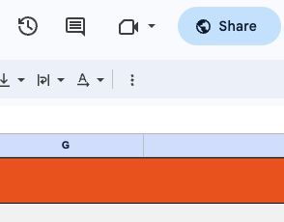
 | When you've completed all steps in the tabs below, share please update the sharing settings to "Anyone with the link can edit," and then email the link to your Onboarding Consultant.

Template Guide
Toast Retail Template Guide

After you answer questions on the Read Me First page, this page will automatically update to tell you which columns are necessary for your Retail Template.

Pro Tip: Right-click unnecessary columns and "Hide" them to make your Template page easier to navigate.

Basic Info
Column | Description | Is this Required? | Detail
name | The name (title) of this item. | Required for All Items | Note: If the item is a Variation, then all of the variations need to have the same Name.
optional (variation) | A variation across your items; typically, this is used for Size. | Optional | In the Template tab, the variation column is labeled 'optional (variation)'. Rename column header with variation option set name - e.g. size, color, flavor + (variation). Required if item will have variations.
pos name | This is how the item will appear on the POS screen. | Optional | If you want the POS Name to be the same as the Name, you can leave this blank.
description | A description of the item. Descriptions appear in online ordering and on self-service kiosks. | Optional | Enter if you'd like to provide a brief description in self-service kiosks and/or online ordering.
category group | Top level sorting of your Retail Library | Required for All Items | These columns sort your items into an organized "heirarchy" of similar items. For example, "Clothing" might be a Category Group, and "Women's Clothing" would be a Category within that "Clothing" Category Group.
category | Sublevel sorting of your Retail Library | Required for All Items
subcategory | Optional sub-sublevel sorting of your Retail Library | Optional | Use this column if you want to add another level below a Category. Using the Example above, "Women's Shirts" would be a Subcategory of "Women's Clothing."
price | The price of the item - this is what your customers pay you | Required for All Items* | This must be a number. *This is ignored when using PRICE COMPOSED embedded amount types.

Additional Information
Column | Description | Is this Required? | Detail
cost | The cost of the item - this is what you pay your suppliers | Optional | Enter the Cost. This must be a number.
barcode | Scannable barcode number (see barcode tips below) | Optional | Required for any items that will be tracked or sold by scanning a barcode.
plu | Product Look-Up Codes are item numbers that can be helpful to manually search for items on your POS screen | Optional
brand | Brand name of the item | Optional | This is most useful if you would like to filter your items by brand name.
supplier | Supplier of the item | Optional Required if you enter a Supplier Item ID | Including a Supplier will enable you to create purchase orders in Toast
supplier item id | Used to identify the item according to a product code provided by your suppliers. | Optional
selling strategy | Selling Strategy determines if this item will be sold individually, versus selling it with embedded barcodes or by weight. | Optional for non-weighed items Required for some items sold by weight | -Regular items are sold by EACH. If you leave this field blank, it will default to EACH, which is appropriate most regular items. -Select EMBEDDED BARCODE for items that will be scanned at the register from labels printed by deli/meat scales. -Select WEIGHT for items weighed by a scale attached directly to the POS.
embedded amount type | When using a deli scale that "embeds" a number into a printed barcode, this field tells the Toast system how to interpret the barcode. Most digital scales support printing labels with a variety of formats, and can embed either the weight or price of an item as the amount in the embedded barcode. | Required for items with EMBEDDED BARCODE Selling Strategy | WEIGHT: The embedded number on the barcode will be the weight of the purchase, which will be multiplied by the item/SKU price to find the total price on the order. PRICE: The embedded number on the barcode will be the total price on the order, and the register will divide total by the item/SKU price to calculate the quantity. PRICE COMPOSED: The embedded number on the barcode will be the total price on the order, with a quantity of 1. See embedded barcode tips below.
unit of measure | For items sold by weight, this identifies the Unit of Measure for this item. | Required for items sold by weight | This field can be LB, OZ, KG, G or blank.
prompt for quantity | This tells the register whether to expect a specific quantity when this item is sold. | Optional for non-weighed items Required for some items sold by weight | For items not sold by weight: -You may want to prompt for quantity if guests purchase large quantities of this item at a time. -Setting this field to "False" or blank is appropriate for most items that are not sold with a scale. For items sold by weight: -For items that are weighed by an attached scale, this must be set to True to automatically read weight from the scale. -For items that are not weighed by an attached scale, then setting this field to "True" will make the point of sale screen prompt to enter an exact weight (suggested, but not required)
inventory quantity | Current amount of inventory on hand. Note: We generally discourage entering inventory quantities if your inventory counts will change prior to going Live with Toast Retail. | Optional | This must be a number. Decimals are allowed.
receiving units | If your business purchases items in cases or other groupings of inventory, you can configure your receiving units on the item level to make updating your stock easy and quick. | Optional | The name of the receiving units for this item. These can be multi-assign by seperating with a semi-colon. When multi-assigned the units should be listed in the same order as the receiving unit quantities. Ex: "Case;Pallet"
...
1) Selecting the dropdown labeled 'Unmapped':

2) Choosing '+ Add new':
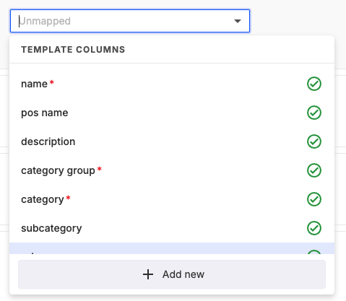

3) Selecting Variation data type for Variation fields or selecting the Custom Attribute data type which maps to the Custom Attribute registered in the Toast Retail platform.

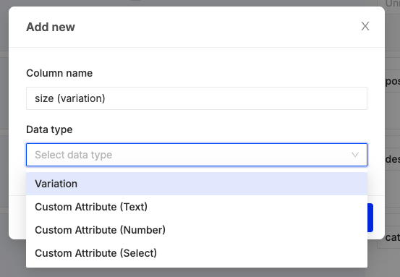

Tip and Tricks

How to fill out this template

Tips for entering Barcodes
Using Barcodes with Toast | See this article for more details

